Sheet1
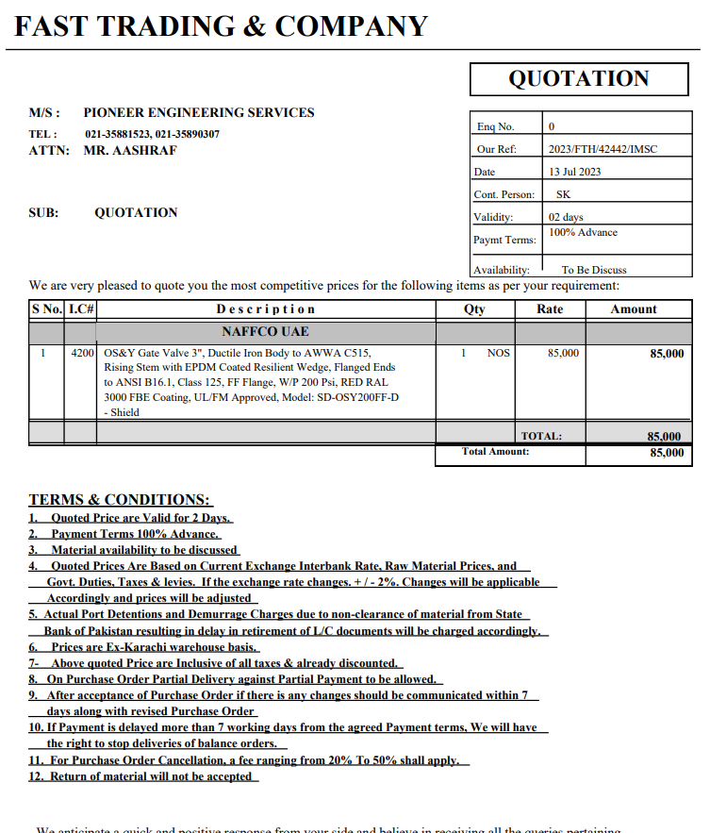


Variation order for Fire main line tap off connection - Dolmen Family Area DMC Karachi

S. # | Description | Material Rate | Labour Rate | Over Head profit 20% | Tax 7.5% | Unit | Qty | Amount | Pioneer | Total Construction
1 | Making of tap off connection in the main fire line. | - | 17,625 | 3,525 | 1,586 | Job | 1 | 22,736.25 | 27.50 | 1.175 | 20,709.38
2 | Supply and installation of valve with matching flange. | 99,875 | 7,050 | 21,385 | 9,623 | No | 1 | 137,933.25
3 | Supply and installation of matching flanges, gasket, nut bolt, washers etc for valves. | 29,375 | 3,525 | 6,580 | 2,961 | Job | 1 | 42,441
Total Amount Rs. |  |  |  |  |  |  |  | 203,111 | Ok

Thanking you,

For PIONEER ENGINEERING SERVICES.

Bilal Habib

